We are building a recommender s
 |  |  |  |  |  |  |  |  |  | SVD:
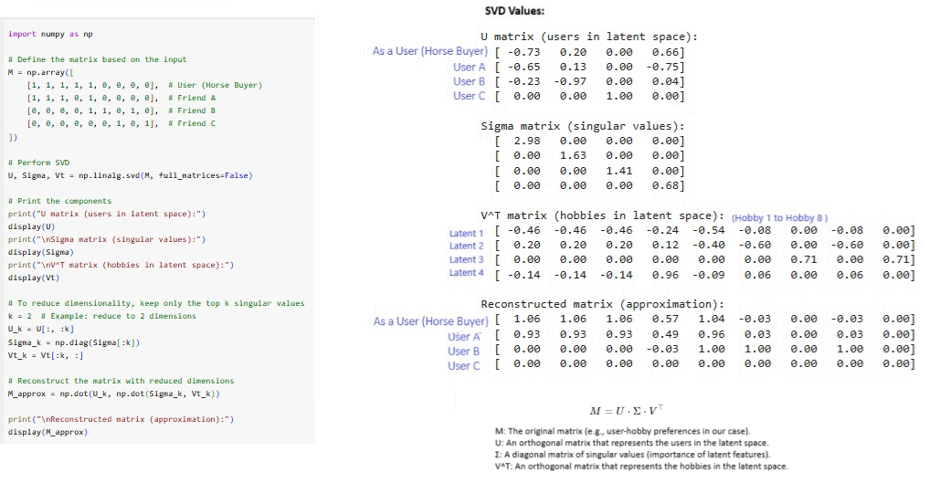

 |  |  |  |  |  |  |  |  |  | With Respect to User:
 |  |  |  |  |  |  |  |  |  | Metric | Friend A | Friend B | Friend C | Range | Formula | Brief Overview
 |  |  |  |  |  |  |  |  |  | Correlation | 0.55 | -0.32 | -0.60 | -1 to 1 | pearsonr(user, friend) | Linear relationship between User and friend interests.
 |  |  |  |  |  |  |  |  |  | Cosine Similarity | 0.80 | 0.26 | 0.00 | 0 to 1 | 1 - cosine(user, friend) | Measures angle similarity between User and friend.
 |  |  |  |  |  |  |  |  |  | Jaccard Similarity | 0.67 | 0.14 | 0.00 | 0 to 1 | 1 - jaccard(user, friend) | Ratio of common interests to total unique interests.
Hobbies | Football | Hiking | Climbing | Animal Caretaking | Reading | Running | Singing | Writing | Bicycling | Euclidean Distance | 1.41 | 2.45 | 2.65 | 0 to infinity | sqrt(sum((user - friend)^2)) | Measures straight-line distance in interest space. Less is nearby.
User (Horse Buyer) | 1 | 1 | 1 | 1 | 1 | 0 | 0 | 0 | 0 | Hamming Distance | 0.22 | 0.67 | 0.78 | 0 to 1 | mean(user != friend) | Counts differing interests between User and friend.
Friend A | 1 | 1 | 1 | 1 | 0 | 1 | 0 | 0 | 0 | Manhattan Distance | 2.00 | 6.00 | 7.00 | 0 to infinity | sum(abs(user - friend)) | Sum of absolute differences in interests.
Friend B | 0 | 0 | 0 | 0 | 1 | 0 | 1 | 1 | 0 | Bhattacharyya Distance | 4.00 | 1.00 | 0.00 | 0 to 1 | sum(sqrt(user * friend)) | Similarity approximation for binary interest data.
Friend C | 0 | 0 | 0 | 0 | 0 | 0 | 1 | 0 | 1 | Kullback-Leibler Divergence | 4.61 | 17.91 | 22.11 | 0 to infinity | entropy(user + 1e-10, friend + 1e-10) | Divergence in probability distribution space.

